Sheet11
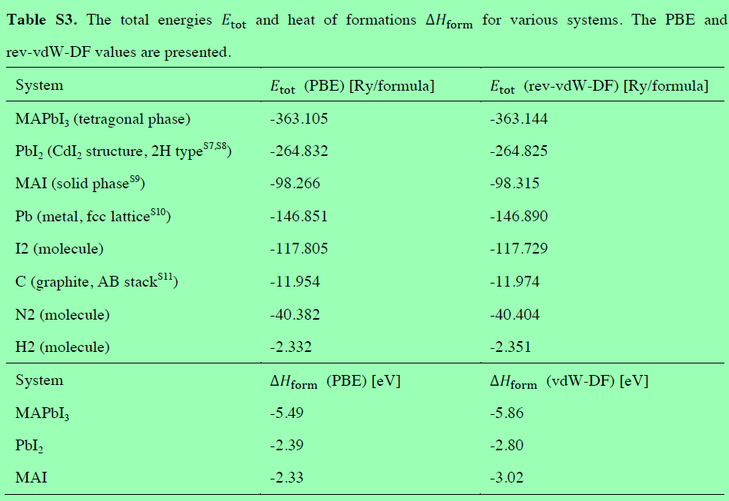
μpb(Pb-poor, Pb-rich) |  |  | Pb(Bulk) |  |  | E(Pbma_1) |  |  | E(MAPbI3)perfect |  |  | Formation Energy(PBESCS,PBE,PBESCS,PBE) | Molecule | MBD | PBE | TS | PBE+MBD | PBE+TS
 |  |  |  |  |  |  |  |  |  |  |  |  | MAPbI3 | -1.1175928075 | -1151699.6943 | -1.1022996897 | -1151700.8119 | -1151700.7966
 |  |  |  |  |  |  |  |  |  |  |  |  | MA | -0.058815 | -520.93654282 | -0.0686425 | -520.99535782 | -521.00518532
MBD | PBE | TS | MBD | PBE | TS | MBD | PBE | TS | MBD | PBE | TS | 2.7373944364 | I | -0.19517892125 | -193637.75364 | -0.21103936 | -193637.94882 | -193637.96468
-0.230840005 | -568161.34678 | -0.16990864925 |  |  |  |  |  |  |  |  |  |  | Pb | -0.4295880725 | -568159.2728 | -0.2954574475 | -568159.70238 | -568159.56825
 |  |  |  |  |  |  |  |  |  |  |  |  | PbI2 | -0.63868262 | -955436.82708 | -0.651085049 | -955437.46576 | -955437.47817
MBD | PBE | TS | -0.4295880725 | -568159.2728 | -0.2954574475 | -8.81716027 | -9779135.1835 | -8.60894409 | -8.94074246 | -9213597.5541 | -8.818397518 | 2.6841882802 | MAI | -0.49639496 | -196262.8402 | -0.5103123205 | -196263.33659 | -196263.35051
-0.4295880725 | -568159.2728 | -0.2954574475 |  |  |  |  |  |  |  |  |  |  | μ*I(I-poor) | 0.09937403375 | -1.0369937021 | 0.062774399125 | -0.93761966831 | -0.97421930293 | -1.11
 |  |  |  |  |  |  |  |  |  |  |  |  | μ*pb(Pb-poor) | 0.1987480675 | -2.0739874041 | 0.12554879825 | -1.8752393366 | -1.9484386059 | -2.22
Ef(MBD+PBE) Pb-poor | 4.4225344364 |  | MBD Pb-poor | 0.05320615625 |  | PBE Pb-poor | 4.3693282802 |  | TS Pb-poor | 0.08008911675 |  | 1.7997747681 | (Pb)p | -0.230840005 | -568161.34678 | -0.16990864925 | -568161.57762 | -568161.51669
 |  |  |  |  |  |  |  |  |  |  |  |  | (I)p(PbI2) | -0.0958048875 | -193638.79064 | -0.14826496087 | -193638.88644 | -193638.9389
 |  |  |  |  |  |  |  |  |  |  |  |  | (MA)l | -0.30121603875 | -2625.0865531 | -0.2992729605 | -2625.3877691 | -2625.3858261
Ef(MBD+PBE) Pb-rich | 3.4849147681 |  | MBD Pb-rich | 0.15258019 |  | PBE Pb-rich | 3.3323345781 |  | TS Pb-rich | 0.14286351587 |  | 1.6471945781 | (MA)r | -0.4005900725 | -2624.0495594 | -0.36204735962 | -2624.4501495 | -2624.4116068
 |  |  |  |  |  |  |  |  |  |  |  |  | (I)r(PbI2) | -0.19517892125 | -193637.75364 | -0.21103936 | -193637.94882 | -193637.96468
 |  |  |  |  |  |  |  |  |  |  |  |  | (Pb)r | -0.4295880725 | -568159.2728 | -0.2954574475 | -568159.70238 | -568159.56825
μI(I-poor, I-rich) |  |  | I(Bulk) |  |  | E(Ima_1) |  |  | E(MAPbI3)perfect |  |  | Formation Energy(PBESCS,PBE,PBESCS,PBE) | (I)p(MAI) | -0.0958048875 | -193638.79064 | -0.14826496087 | -193638.88644 | -193638.9389 |  | -837.2833268
 |  |  |  |  |  |  |  |  |  |  |  |  | (I)r(MAI) | -0.19517892125 | -193637.75364 | -0.21103936 | -193637.94882 | -193637.96468 |  | -837.28962384
 |  |  |  |  |  |  |  |  |  |  |  |  | MAI(single Molecule) | -0.10408 | -836.81690386 | -0.10961 | -836.92098386 | -836.92651386
MBD | PBE | TS | MBD | PBE | TS | MBD | PBE | TS | MBD | PBE | TS | 2.0042740338 | E(PbI2) | 0.181263295 | -2.0469993764 | 0.0664511185 | -1.8657360814 | -1.9805482579
-0.0958048875 | -193638.79064 | -0.14826496087 |  |  |  |  |  |  |  |  |  |  | E(MAI) | -0.14448749625 | -2.9666356638 | -0.153584563 | -3.11112316 | -3.1202202268 |  | -2625.0865531
 |  |  |  |  |  |  |  |  |  |  |  |  | E(MAPbI3) | 0.05426057125 | -5.0406230679 | -0.02803576475 | -4.9863624966 | -5.0686588326
MBD | PBE | TS | -0.19517892125 | -193637.75364 | -0.21103936 | -8.75740224 | -9404614.3156 | -8.672647296 | -8.94074246 | -9213597.5541 | -8.818397518 | 2.1257189988 | Ethlapy(MAPbI3) | 0.0174847725 | -0.026988027676 | 0.05909767975 | -0.0095032551755 | 0.032109652074
-0.19517892125 | -193637.75364 | -0.21103936 |  |  |  |  |  |  |  |  |  |  | E(MAPbI3)-E(MAI) | 0.1987480675 | -2.0739874041 | 0.12554879825 | -1.8752393366 | -1.9484386059 |  | -520.86154282
 |  |  |  |  |  |  |  |  |  |  |  |  | The total energy of H2 | -0.001102205 | -15.874292754 | -1.46595E-05 | -15.875394959 | -15.874307413
Ef(MBD+PBE) I-poor | 3.6894140338 |  | MBD I-poor | -0.121444965 |  | PBE I-poor | 3.8108589988 |  | TS I-poor | -0.06803217675 |  | 0.1290346972 | The total energy of C | -0.1480136675 | -1036.8432491 | -0.1454714835 | -1036.9912628 | -1036.9887206 |  | -0.026988027501
 |  |  |  |  |  |  |  |  |  |  |  |  | The total energy of N2 | -0.002101645 | -1490.0309118 | -0.000128957 | -1490.0330134 | -1490.0310407

Ef(MBD+PBE) I-rich | 1.8141746972 |  | MBD I-rich | 0.0773031025 |  | PBE I-rich | 1.7368715947 |  | TS I-rich | 0.0575166215 |  | 0.051731594698

 |  |  |  |  |  |  |  |  |  |  |  |  | MA(One Molecule) | SCS | PBE | TS | PBE+SCS | PBE+TS
μMA(Pb-poor, I-poor) |  |  | MA(Four Molecule) |  |  | E(MAPb_1) |  |  | E(MAPbI3)perfect |  |  | Formation Energy(PBESCS,PBE,PBESCS,PBE) | MAPbI3 | -1.12551625 | -3125.1335546 | -1.08296 | -3126.2590708 | -3126.2165146
 |  |  |  |  |  |  |  |  |  |  |  |  | MA | -0.01199 | -520.51582157 | -0.00818 | -520.52781157 | -520.52400157 |  | -541.34510042
 |  |  |  |  |  |  |  |  |  |  |  |  | I | -0.16919 | -313.16044032 | -0.16745375 | -313.32963032 | -313.32789407
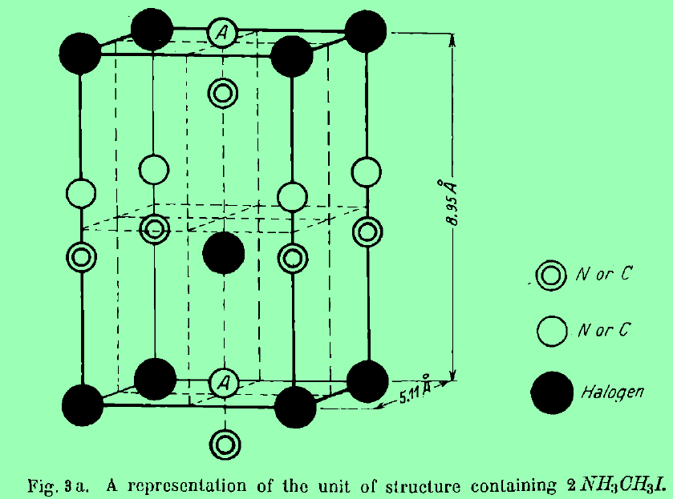
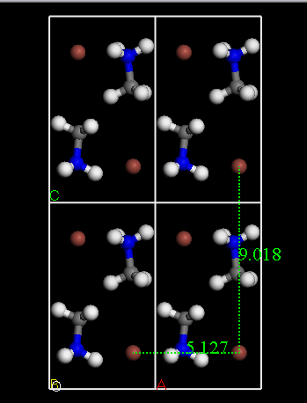
MBD | PBE | TS | MBD | PBE | TS | MBD | PBE | TS | MBD | PBE | TS | -0.88769542396 | Pb | -0.338295 | -1659.592145 | -0.314505 | -1659.93044 | -1659.90665
-0.30121603875 | -2625.0865531 | -0.2992729605 |  |  |  |  |  |  |  |  |  |  | PbI2 | -0.64692 | -2287.8958423 | -0.66013 | -2288.5427623 | -2288.5559723
 |  |  |  |  |  |  |  |  |  |  |  |  | MAI | -0.49839 | -836.81690698 | -0.510735 | -837.31529698 | -837.32764198
MBD | PBE | TS | -0.0685025 | -520.98418939 | -0.069675 | -9.2046693 | -8648066.0893 | -9.025255869 | -8.94074246 | -9213597.5541 | -8.818397518 | -0.69414461771 | u*I(I-poor) | -0.037034375 | -1.3780667991 | -0.029875 | -1.4151011741 | -1.4079417991
-0.4005900725 | -2624.0495594 | -0.36204735962 |  |  |  |  |  |  |  |  |  |  | u*pb(Pb-poor) | -0.07406875 | -2.7561335983 | -0.05975 | -2.8302023483 | -2.8158835983
 |  |  |  |  |  |  |  |  |  |  |  |  | μ(Pb)p | -0.41236375 | -1662.3482786 | -0.374255 | -1662.7606423 | -1662.7225336
Ef(MBD+PBE) Pb-poor | 0.79744457604 |  | MBD Pb-poor | -0.19355080625 |  | PBE Pb-poor | 0.99099538229 |  | TS Pb-poor | -0.07749403975 |  | 0.049924244344 | μ(I)p(PbI2) | -0.206224375 | -314.53850712 | -0.19732875 | -314.7447315 | -314.73583587
 |  |  |  |  |  |  |  |  |  |  |  |  | μ(MA)l | -0.2055825 | -523.30395505 | -0.20634375 | -523.50953755 | -523.5102988
 |  |  |  |  |  |  |  |  |  |  |  |  | μ(MA)r | -0.168548125 | -521.92588826 | -0.17646875 | -522.09443638 | -522.10235701
Ef(MBD+PBE) I-poor | 1.7350642443 |  | MBD I-poor | -0.29292484 |  | PBE I-poor | 2.0279890843 |  | TS I-poor | -0.14026843888 |  | 0.34284908434 | μ(I)r(PbI2) | -0.16919 | -313.16044032 | -0.16745375 | -313.32963032 | -313.32789407
 |  |  |  |  |  |  |  |  |  |  |  |  | μ(Pb)r | -0.338295 | -1659.592145 | -0.314505 | -1659.93044 | -1659.90665
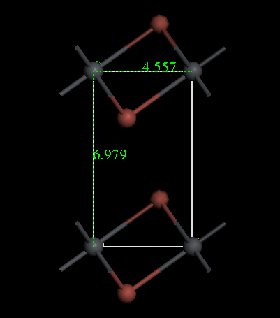
 |  |  |  |  |  |  |  |  |  |  |  |  | μ(I)p(MAI) | -0.206224375 | -314.53850712 | -0.19732875 | -314.7447315 | -314.73583587
μMA(Pb-poor, I-poor) |  |  | MA(Four Molecule) |  |  | E(MaIp1) |  |  | E(MAPbI3)perfect |  |  | Formation Energy(PBESCS,PBE,PBESCS,PBE) | μ(I)r(MAI) | -0.16919 | -313.16044032 | -0.16745375 | -313.32963032 | -313.32789407

 |  |  |  |  |  |  |  |  |  |  |  |  | E(PbI2) | 0.029755 | -1.982816708 | -0.0107175 | -1.953061708 | -1.993534208
MBD | PBE | TS | MBD | PBE | TS | MBD | PBE | TS | MBD | PBE | TS | 4.6537751246 | E(MAI) | -0.1935925 | -2.7881334867 | -0.19816375 | -2.9817259867 | -2.9862972367
-0.30121603875 | -2625.0865531 | -0.2992729605 |  |  |  |  |  |  |  |  |  |  | E(MAPbI3) | -0.26766125 | -5.544267085 | -0.25791375 | -5.811928335 | -5.802180835
 |  |  |  |  |  |  |  |  |  |  |  |  | Ethlapy(MAPbI3) | -0.10382375 | -0.77331689026 | -0.0490325 | -0.87714064026 | -0.82234939026
MBD | PBE | TS | -0.0685025 | -520.98418939 | -0.069675 | -9.17334633 | -9022576.0564 | -8.979834072 | -8.94074246 | -9213597.5541 | -8.818397518 | 4.7803418771 | E(MAPbI3)-E(MAI) | -0.07406875 | -2.7561335983 | -0.05975 | -2.8302023483 | -2.8158835983
-0.4005900725 | -2624.0495594 | -0.36204735962 |  |  |  |  |  |  |  |  |  |  | The total energy of H2 | -0.000015 | -15.847901294 | -0.000015 | -15.847916294 | -15.847916294
 |  |  |  |  |  |  |  |  |  |  |  |  | The total energy of C | -0.1353925 | -155.06838507 | -0.1448975 | -155.20377757 | -155.21328257
Ef(MBD+PBE) Pb-poor | 2.9686351246 |  | MBD Pb-poor | -0.1265667525 |  | PBE Pb-poor | 3.0952018771 |  | TS Pb-poor | -0.0732029535 |  | 2.778535788 | The total energy of N2 | -0.000125 | -270.71254033 | -0.00013 | -270.71266533 | -270.71267033

Ef(MBD+PBE) I-poor | 1.093395788 |  | MBD I-poor | 0.072181315 |  | PBE I-poor | 1.021214473 |  | TS I-poor | 0.05234584475 |  | 2.706354473

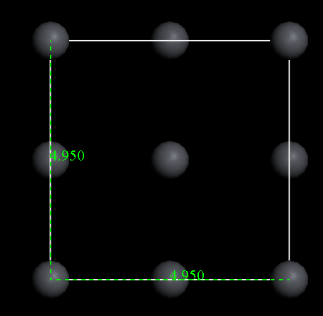
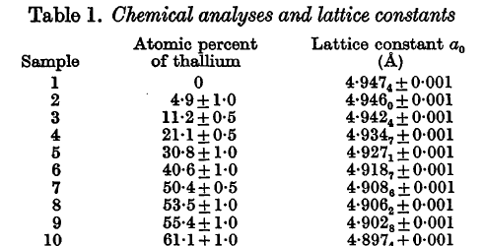
 |  |  |  |  |  |  |  |  |  |  |  |  | Chemical elements | PBE+SCS | PBE | PBE+TS
μpb(Pb-poor, Pb-rich) |  |  | Pb(Bulk) |  |  | E(PbIp1) |  |  | E(MAPbI3)perfect |  |  | Formation Energy(PBESCS,PBE,PBESCS,PBE) | I | -313.32963032
 |  |  |  |  |  |  |  |  |  |  |  |  | Pb |  | -1659.592145 | -1659.90665
 |  |  |  |  |  |  |  |  |  |  |  |  | PbI2 | -2288.5427623 | -2287.8958423
MBD | PBE | TS | MBD | PBE | TS | MBD | PBE | TS | MBD | PBE | TS | 5.7562587508 | E(PbI2) | -2.291356708 |  | -1.976851708
-0.230840005 | -568161.34678 | -0.16990864925 |  |  |  |  |  |  |  |  |  |  | MA | -521.05269189
 |  |  |  |  |  |  |  |  |  |  |  |  | I
MBD | PBE | TS | -0.4295880725 | -568159.2728 | -0.2954574475 | -8.96632092 | -9588111.3219 | -8.771923755 | -8.94074246 | -9213597.5541 | -8.818397518 | 5.746176127 | MAI | -837.77903001
-0.4295880725 | -568159.2728 | -0.2954574475 |  |  |  |  |  |  |  |  |  |  | E(MAI)

Ef(SCS+PBE) Pb-poor | 4.0711187508 |  | SCS Pb-poor | 0.01008262375 |  | PBE Pb-poor | 4.061036127 |  | TS Pb-poor | 0.00534305225 |  | 2.9433997458
 |  |  |  |  |  |  |  |  |  |  |  |  | Neutral Defect | Ef,(eV) I-poor (Pb-rich) | Ef,(eV) I-rich (Pb-poor) |  | Ef,(eV) I-poor (Pb-rich) | Ef,(eV) I-rich (Pb-poor) | ΔEf(eV) I-poor (Pb-rich) | ΔEf(eV) I-rich (Pb-poor)
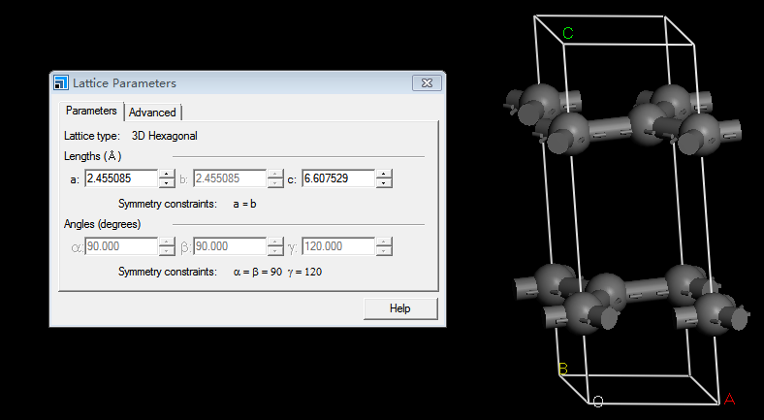
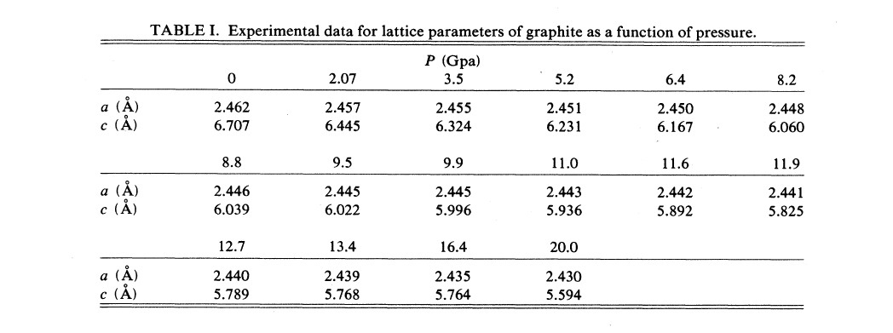
Ef(SCS+PBE) Pb-rich | 1.2582597458 |  | SCS Pb-rich | 0.308204725 |  | PBE Pb-rich | 0.95005502083 |  | TS Pb-rich | 0.19366624962 |  | 2.6351950208
 |  |  |  |  |  |  |  |  |  |  |  |  | Vpb | 3.3323345781 | 4.3693282802 | 1.0369937021 | 2.69 | 0.47 | 0.64233457814 | 3.8993282802

μI(I-poor, I-rich) |  |  | I(Bulk) |  |  | E(Ipb_1) |  |  | E(MAPbI3)perfect |  |  | Formation Energy(PBESCS,PBE,PBESCS,PBE)
 |  |  |  |  |  |  |  |  |  |  |  |  | VI(MAI) | 3.8108589988 | 1.7368715947 | 2.0739874041 | 0.87 | 2.04 | 2.9408589988 | -0.3031284053

MBD | PBE | TS | SCS | PBE | TS | SCS | PBE | TS | SCS | PBE | TS | 2.6785828883
-0.0958048875 | -193638.79064 | -0.14826496087 |  |  |  |  |  |  |  |  |  |  | VI(PbI2) | 3.8108589988 | 1.7368715947 | 2.0739874041 | 0.85 | 2.05 | 2.9608589988 | -0.3131284053

MBD | PBE | TS | -0.19517892125 | -193637.75364 | -0.21103936 | -8.91287657 | -8839078.23 | -8.800878174 | -8.94074246 | -9213597.5541 | -8.818397518 | 2.9845001833
-0.19517892125 | -193637.75364 | -0.21103936 |  |  |  |  |  |  |  |  |  |  | Vma | 2.0279890843 | 0.99099538229 | -1.0369937021 | 1.91 | 0.62 | 0.11798908434 | 0.37099538229

Ef(SCS+PBE) I-poor | 4.3637228883 |  | SCS I-poor | -0.305917295 |  | PBE I-poor | 4.6696401833 |  | TS I-poor | -0.12967314262 |  | -0.13427611666
 |  |  |  |  |  |  |  |  |  |  |  |  | MAi | 1.021214473 | 0.99099538229 | -0.030219090707 | 1.12 | 2.43

Ef(SCS+PBE) I-rich | 1.5508638833 |  | SCS I-rich | -0.00779519375 |  | PBE I-rich | 1.5586590771 |  | TS I-rich | 0.05865005475 |  | -0.12648092291
 |  |  |  |  |  |  |  |  |  |  |  |  | Pbi | 3.3323345781 | 4.3693282802 | 1.0369937021 | 1.05 | 3.27

μI(I-poor, I-rich) |  |  | I(Bulk) |  |  | E(Ima_2) |  |  | E(MAPbI3)perfect |  |  | Formation Energy(PBESCS,PBE,PBESCS,PBE)
 |  |  |  |  |  |  |  |  |  |  |  |  | Ii | 3.8108589988 | 1.7368715947 | 2.0739874041 | 1.75 | 0.57

MBD | PBE | TS | MBD | PBE | TS | SCS | PBE | TS | MBD | PBE | TS | 1.1995863734
-0.0958048875 | -193638.79064 | -0.14826496087 |  |  |  |  |  |  |  |  |  |  | PbI |  |  |  | 3.6(4.22) | 0.19(0.9)

MBD | PBE | TS | -0.19517892125 | -193637.75364 | -0.21103936 | -8.82449656 | -9404619.2428 | -8.754451852 | -8.94074246 | -9213597.5541 | -8.818397518 | 1.3881256584
-0.19517892125 | -193637.75364 | -0.21103936 |  |  |  |  |  |  |  |  |  |  | IPb |  |  |  | 1.54 | 4.88

Ef(SCS+PBE) I-poor | 4.5698663734 |  | SCS I-poor | -0.188539285 |  | PBE I-poor | 4.7584056584 |  | TS I-poor | -0.14983673275 |  | -0.67565296326
 |  |  |  |  |  |  |  |  |  |  |  |  | PbMA |  |  |  | Null | Null

Ef(SCS+PBE) I-rich | 2.6946270367 |  | SCS I-rich | 0.0102087825 |  | PBE I-rich | 2.6844182542 |  | TS I-rich | -0.0242879345 |  | -0.68586174576
 |  |  |  |  |  |  |  |  |  |  |  |  | MAPb |  |  |  | Null | Null

μI(I-poor, I-rich) |  |  | I(Bulk) |  |  | E(Ipb_2) |  |  | E(MAPbI3)perfect |  |  | Formation Energy(PBESCS,PBE,PBESCS,PBE)
 |  |  |  |  |  |  |  |  |  |  |  |  | MAI |  |  |  | Null | Null

MBD | PBE | TS | SCS | PBE | TS | SCS | PBE | TS | SCS | PBE | TS | 1.8640448887
-0.0958048875 | -193638.79064 | -0.14826496087 |  |  |  |  |  |  |  |  |  |  | PbI |  |  |  | Null | Null

MBD | PBE | TS | -0.19517892125 | -193637.75364 | -0.21103936 | -8.97119381 | -8839083.3898 | -8.837743778 | -8.94074246 | -9213597.5541 | -8.818397518 | 2.2282794237
-0.19517892125 | -193637.75364 | -0.21103936

Ef(SCS+PBE) I-poor | 5.2343248887 |  | SCS I-poor | -0.364234535 |  | PBE I-poor | 5.5985594237 |  | TS I-poor | -0.16653874663 |  | -0.94881411626

Ef(SCS+PBE) I-rich | 2.4214658837 |  | SCS I-rich | -0.06611243375 |  | PBE I-rich | 2.4875783175 |  | TS I-rich | 0.02178445075 |  | -0.88270168251

μpb(Pb-poor, Pb-rich) |  |  | Pb(Bulk) |  |  | E(Pbmap1) |  |  | E(MAPbI3)perfect |  |  | Formation Energy(PBESCS,PBE,PBESCS,PBE)

MBD | PBE | TS | MBD | PBE | TS | MBD | PBE | TS | MBD | PBE | TS | 2.2787127275
-0.230840005 | -568161.34678 | -0.16990864925

MBD | PBE | TS | -0.4295880725 | -568159.2728 | -0.2954574475 | -8.70794307 | -9779127.6076 | -8.502035928 | -8.94074246 | -9213597.5541 | -8.818397518 | 2.1162893713
-0.4295880725 | -568159.2728 | -0.2954574475

Ef(MBD+PBE) Pb-poor | 0.59357272754 |  | MBD Pb-poor | 0.16242335625 |  | PBE Pb-poor | 0.43114937129 |  | TS Pb-poor | 0.18699727875 |  | 1.3410930592

Ef(MBD+PBE) Pb-rich | -0.34404694077 |  | MBD Pb-rich | 0.26179739 |  | PBE Pb-rich | -0.60584433077 |  | TS Pb-rich | 0.24977167787 |  | 1.0792956692

μMA(Pb-poor, I-poor) |  |  | MA(Four Molecule) |  |  | E(MaIp2) |  |  | E(MAPbI3)perfect |  |  | Formation Energy(PBESCS,PBE,PBESCS,PBE)

MBD | PBE | TS | MBD | PBE | TS | MBD | PBE | TS | MBD | PBE | TS | 4.5698616747
-0.30121603875 | -2625.0865531 | -0.2992729605

MBD | PBE | TS | -0.0685025 | -520.98418939 | -0.069675 | -9.11344077 | -9022572.159 | -8.931256191 | -8.94074246 | -9213597.5541 | -8.818397518 | 4.6365228672
-0.4005900725 | -2624.0495594 | -0.36204735962

Ef(MBD+PBE) Pb-poor | 1.1995816747 |  | MBD Pb-poor | -0.0666611925 |  | PBE Pb-poor | 1.2662428672 |  | TS Pb-poor | -0.0246250725 |  | 2.6946223381

Ef(MBD+PBE) I-poor | -0.67565766188 |  | MBD I-poor | 0.132086875 |  | PBE I-poor | -0.80774453688 |  | TS I-poor | 0.10092372575 |  | 2.5625354631

μMA(Pb-poor, I-poor) |  |  | MA(Four Molecule) |  |  | E(MAPb_2) |  |  | E(MAPbI3)perfect |  |  | Formation Energy(PBESCS,PBE,PBESCS,PBE)

MBD | PBE | TS | SCS | PBE | TS | MBD | PBE | TS | MBD | PBE | TS | -0.75803540419
-0.30121603875 | -2625.0865531 | -0.2992729605

MBD | PBE | TS | -0.0685025 | -520.98418939 | -0.069675 | -9.2631297 | -8648069.9398 | -9.08156599 | -8.94074246 | -9213597.5541 | -8.818397518 | -0.50602419794
-0.4005900725 | -2624.0495594 | -0.36204735962

Ef(SCS+PBE) Pb-poor | 2.6122445958 |  | SCS Pb-poor | -0.25201120625 |  | PBE Pb-poor | 2.8642558021 |  | TS Pb-poor | -0.13380416075 |  | 0.17958426412

Ef(SCS+PBE) I-poor | 3.5498642641 |  | SCS I-poor | -0.35138524 |  | PBE I-poor | 3.9012495041 |  | TS I-poor | -0.19657855988 |  | 0.53096950412

μI(I-poor, I-rich) |  |  | I(Bulk) |  |  | E(Ipb_3) |  |  | E(MAPbI3)perfect |  |  | Formation Energy(PBESCS,PBE,PBESCS,PBE)

MBD | PBE | TS | SCS | PBE | TS | SCS | PBE | TS | SCS | PBE | TS | 1.5121201063
-0.0958048875 | -193638.79064 | -0.14826496087

MBD | PBE | TS | -0.19517892125 | -193637.75364 | -0.21103936 | -9.01689508 | -8839087.7172 | -8.883696856 | -8.94074246 | -9213597.5541 | -8.818397518 | 1.9220559113
-0.19517892125 | -193637.75364 | -0.21103936

Ef(SCS+PBE) I-poor | 6.5675401063 |  | SCS I-poor | -0.409935805 |  | PBE I-poor | 6.9774759113 |  | TS I-poor | -0.21249182463 |  | -1.3007388987

Ef(SCS+PBE) I-rich | 3.7546811013 |  | SCS I-rich | -0.11181370375 |  | PBE I-rich | 3.8664948051 |  | TS I-rich | -0.02416862725 |  | -1.1889251949

μpb(Pb-poor, Pb-rich) |  |  | Pb(Bulk) |  |  | E(PbIp3) |  |  | E(MAPbI3)perfect |  |  | Formation Energy(PBESCS,PBE,PBESCS,PBE)

MBD | PBE | TS | MBD | PBE | TS | MBD | PBE | TS | SCS | PBE | TS | 7.3890726193
-0.230840005 | -568161.34678 | -0.16990864925

MBD | PBE | TS | -0.4295880725 | -568159.2728 | -0.2954574475 | -8.84030466 | -9588102.0263 | -8.599978439 | -8.94074246 | -9213597.5541 | -8.818397518 | 7.4583848868
-0.4295880725 | -568159.2728 | -0.2954574475

Ef(SCS+PBE) Pb-poor | 2.3336526193 |  | SCS Pb-poor | -0.0693122675 |  | PBE Pb-poor | 2.4029648868 |  | TS Pb-poor | 0.026280368625 |  | 4.5762136144

Ef(SCS+PBE) Pb-rich | -0.47920638565 |  | SCS Pb-rich | 0.22880983375 |  | PBE Pb-rich | -0.7080162194 |  | TS Pb-rich | 0.214603566 |  | 4.3474037806

0 |  |  | 1 |  |  | -1 |  |  | 2 |  |  |  |  |  | 3 |  |  | -3
 |  |  |  |  |  |  |  |  |  |  |  |  |  |  | μpb(Pb-poor, Pb-rich) |  |  | μI(I-poor, I-rich)
 | 0 |  |  | 1 |  |  | -1 |  |  | 2
 |  |  |  |  |  |  |  |  |  |  |  |  | -2
μpb(Pb-poor, Pb-rich) |  |  | μpb(Pb-poor, Pb-rich) |  |  | μI(I-poor, I-rich) |  |  | μMA(Pb-poor, I-poor) |  |  | μI(I-poor, I-rich) |  |  | MBD | PBE | TS | MBD | PBE | TS
 |  |  |  |  |  |  |  |  |  |  |  |  |  |  | -0.230840005 | -568161.34678 | -0.16990864925 | -0.0958048875 | -193638.79064 | -0.14826496087

MBD | PBE | TS | MBD | PBE | TS | MBD | PBE | TS | MBD | PBE | TS | MBD | PBE | TS | MBD | PBE | TS | MBD | PBE | TS
-0.230840005 | -568161.34678 | -0.16990864925 | -0.230840005 | -568161.34678 | -0.16990864925 | -0.0958048875 | -193638.79064 | -0.14826496087 | -0.30121603875 | -2625.0865531 | -0.2992729605 | -0.0958048875 | -193638.79064 | -0.14826496087 | -0.4295880725 | -568159.2728 | -0.2954574475 | -0.19517892125 | -193637.75364 | -0.21103936

MBD | PBE | TS | MBD | PBE | TS | MBD | PBE | TS | MBD | PBE | TS | MBD | PBE | TS | Ef(SCS+PBE) Pb-poor | 2.3336526193 |  | Ef(SCS+PBE) I-poor | 6.5675401063
-0.4295880725 | -568159.2728 | -0.2954574475 | -0.4295880725 | -568159.2728 | -0.2954574475 | -0.19517892125 | -193637.75364 | -0.21103936 | -0.4005900725 | -2624.0495594 | -0.36204735962 | -0.19517892125 | -193637.75364 | -0.21103936

Ef(SCS+PBE) Pb-poor | 5.3826239791 |  | Ef(SCS+PBE) Pb-poor | 4.0711187508 |  | Ef(SCS+PBE) I-poor | 4.3637228883 |  | Ef(MBD+PBE) Pb-poor | 1.1995816747 |  | Ef(SCS+PBE) I-poor | 5.2343248887 |  | Ef(SCS+PBE) Pb-rich | -0.47920638565 |  | Ef(SCS+PBE) I-rich | 3.7546811013

Ef(SCS+PBE) Pb-rich | 2.5697649741 |  | Ef(SCS+PBE) Pb-rich | 1.2582597458 |  | Ef(SCS+PBE) I-rich | 1.5508638833 |  | Ef(MBD+PBE) I-poor | -0.67565766188 |  | Ef(SCS+PBE) I-rich | 2.4214658837

 |  |  |  |  |  |  |  |  |  |  |  |  |  |  | 3 |  |  | -3

 |  |  |  |  |  |  |  |  |  |  |  | 3 |  | 0.58013445388 | -3 |  | 0.7056479145
1 | 1.3115052283 |  | -1 | 0.14630206876 |  | 2 |  | 1.0547137378 | -2 |  | 1.0086858035
 |  |  |  | 0.14630206876 |  |  |  | 0.74217384841 |  |  | 0.7742808864

 |  |  |  |  |  |  |  |  |  |  |  | -3 |  | 1.3332152176

-1 | -1.0189010908 |  | 2 | 1.9339174077 |  | -2 |  | 0.8706020004 | 3 |  | -1.1340709445

2 | 2.0915211522 |  | -2 | 0.3877353793 |  | 3 |  | 0.50751756725 | -3 |  | 1.0735916863

-2 | -0.074149545199 |  | 3 | 0.86873306574 |  | -3 |  | 1.101908609

 |  |  | -3 | 0.62410533888
3 | 1.0163237866

-3 | 0.3949720424

